Sheet1
FOB Etobicoke,ON.

Solid colour per case
Standard...SIZING S-M-L-XL-XXL/ 4-8-8-4 (unless stated otherwise)
APPAREL CASE PACKS - 24
(all subject to final count at time of sale - subject to prior sale)
individually poly bagged
all with hang tags and upc's
ETA'S AS NOTED ON COLUMN N

AVAILABLE ITEMS - SEPTEMBER 2026

IMAGE | D E S C R I P T I O N | STYLE | COLOUR | Quantities by Size |  |  |  |  |  |  | TOTAL |  |  |  | Timing Available
 |  | # |  |  | S | M | L | XL | XXL |  | PCS | QTY | Cases | Pricing
 | UNISEX BASS PRO FLEECE HOOD | MBP1FLCP | LILAC |  | 32 | 104 | 113 | 113 | 67 |  | 3792 | 3792 | 158
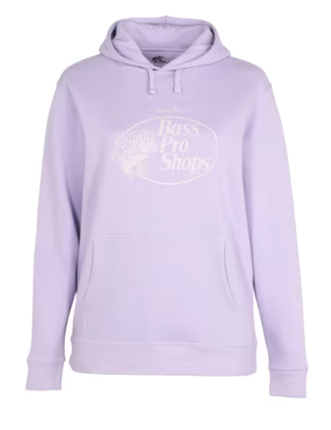
 | RETAIL
 | CASE PACK 24
 | SIZES S-XXL
 | SINGLE COLOUR - LILAC
 | Retail: $39.99

 |  |  |  | 0 | 32 | 104 | 113 | 113 | 67 | 0 | 3792 | 3,792 |  | $11.50 | EARLY SEPTEMBER

